Indices

 | Iraq Stock Exchange
 | Bulletin No (218)

 | ISX Trading Indices of Thursday 4/12/2025

 | Traded Volume and OTC |  | 349,384,352 |  | Traded Value and OTC |  | 620,076,058 |  | Traders | 745

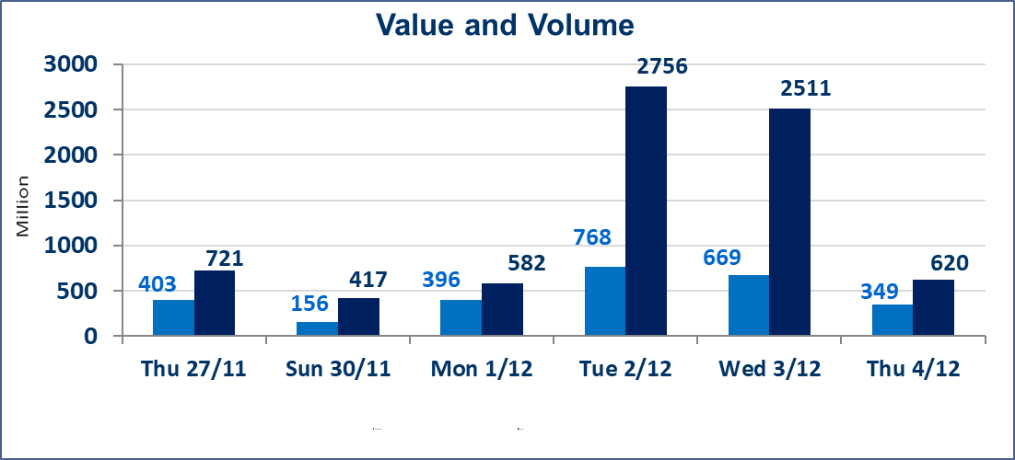
 | ISX Index 60 |  |  | 948.68 | ISX Index 15 |  |  | 1185.42
 | Previous ISX Index60 |  |  | 956.55 | Previous ISX Index15 |  |  | 1189.23
 | Change % |  |  | -0.82 | Change % |  |  | -0.32
 | Change |  |  | -7.87 | Change |  |  | -3.81

 | Listed Companies | 104 | OTC | 14 | Non Traded listed | 42 | OTC | 11
 | Traded Listed Companies | 49 | OTC | 1 | Higher Companies |  |  | 14
 | GAM Companies |  |  | 3 | Lower Companies |  |  | 19
 | Suspended Companies |  |  | 10
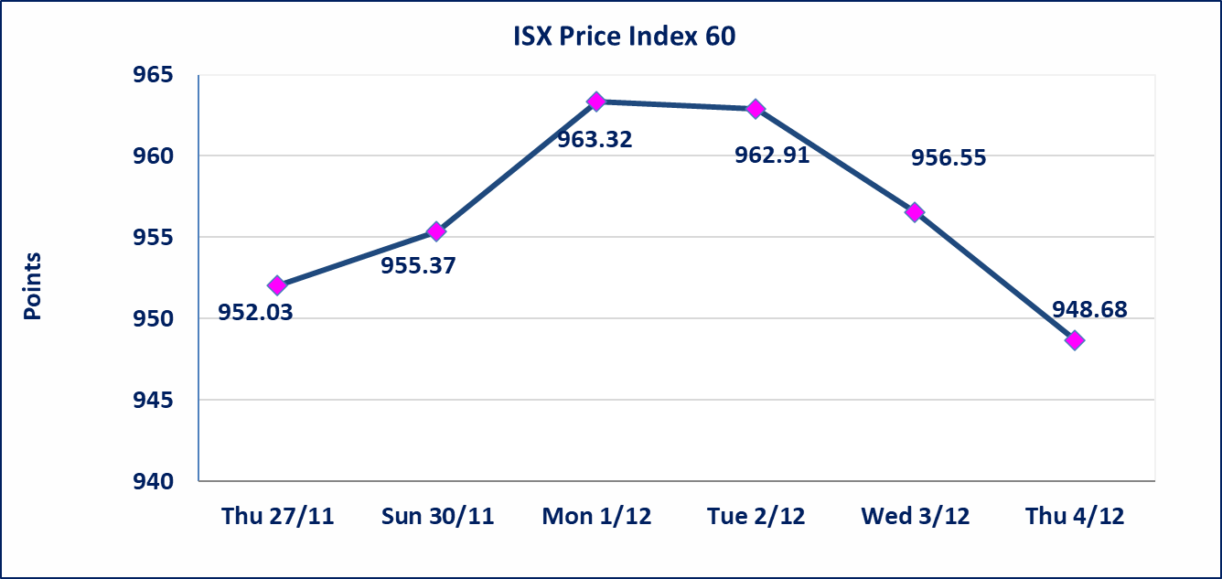
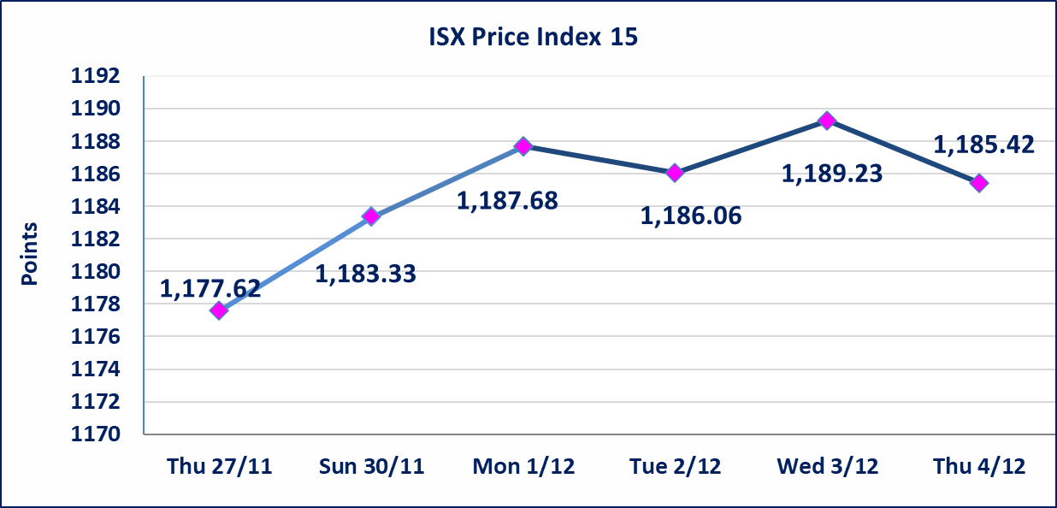

Al-Alwiya P.O . 3607 Mobile: 07711211522 - 07270094594 - 07834000034 E-mail: info-isx@isx-iq.net Web site:www.isx-iq.net

Top 5
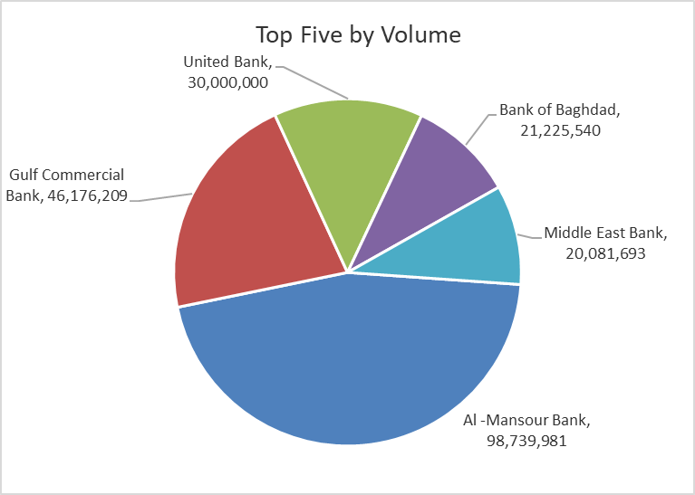
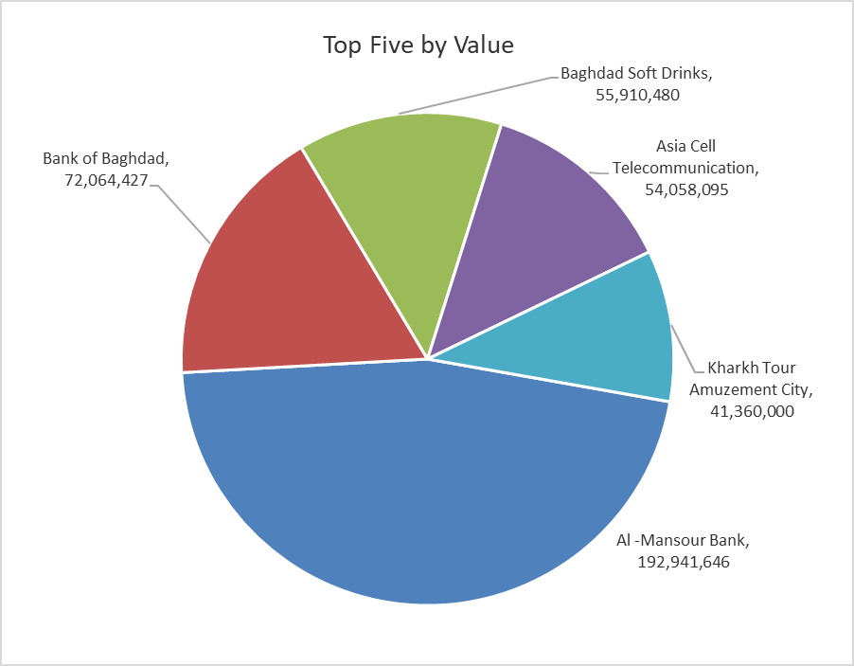
ISX top ganing and losing companies
Thursday 4/12/2025
Gainers |  |  |  | Losers
Company Name | Closing Price | Change (%) | Traded Volume | Company Name | Closing Price | Change (%) | Traded Volume
Modern for Animal Production | 0.460 | 15.00 | 12,990,807 | Tourist Village of Mosul dam | 13.010 | -14.97 | 5,339
Iraqi Engineering Works | 4.500 | 7.14 | 50,000 | Babil Animal & Vegetable Production | 11.000 | -12.00 | 108,946
Al-Ameen for Insurance | 0.910 | 4.60 | 1,300,507 | Elaf Islamic Bank | 0.280 | -6.67 | 81,000
National for Tourist Investment | 10.850 | 3.33 | 700 | Gulf Commercial Bank | 0.280 | -3.45 | 46,176,209
Ready Made Clothes | 2.300 | 2.22 | 808,835 | Iraqi for Seed Production | 4.700 | -3.09 | 5,319,233

The most active companies in term of traded volume and value

Traded Volume |  |  |  | Traded Value
Company Name | Closing Price | Change (%) | Traded Volume | Company Name | Closing Price | Change (%) | Traded Value
Al -Mansour Bank | 1.950 | -1.02 | 98,739,981 | Al -Mansour Bank | 1.950 | -1.02 | 192,941,646
Gulf Commercial Bank | 0.280 | -3.45 | 46,176,209 | Bank of Baghdad | 3.420 | 0.59 | 72,064,427
United Bank | 0.050 | 0.00 | 30,000,000 | Baghdad Soft Drinks | 5.290 | -2.04 | 55,910,480
Bank of Baghdad | 3.420 | 0.59 | 21,225,540 | Asia Cell Telecommunication | 13.130 | 0.46 | 54,058,095
Middle East Bank | 0.060 | 0.00 | 20,081,693 | Kharkh Tour Amuzement City | 5.500 | 0.00 | 41,360,000

OTC

Iraq Stock Exchange

Thursday 4/12/2025
OTC Platform Trading Bulletin No (218)
Company Name | Code | highest price | lowest price | Average price | No.of Trades | Traded Volume | Traded Value
Banks Sector
Al-Warka Bank | BWAI | 0.080 | 0.080 | 0.080 | 3 | 145,845 | 11,668
Total Of Banks Sector |  |  |  |  | 3 | 145,845 | 11,668
Total |  |  |  |  | 3 | 145,845 | 11,668

Not Trading OTC Companies
Company Name |  |  | Code |  | Previous Average price
Banks Sector
Al-Sanam Islamic Bank |  |  | BSAN |  | 3.000
Hammurabi Commercial Bank |  |  | BHAM |  | ـــــــــــــــــــــــــــــــــــ
Industrial Sector
Kirkuk producing constructional materials |  |  | IKFP |  | 1.260
Money Service Sector
Rabee Securities |  |  | FRSE |  | 9.500
Karmal Brokerage |  |  | FKSX |  | 10.000
Ishtar Gate for e-Paymant |  |  | FISH |  | 1.000
Sama Baghdad Exchange |  |  | FSBE |  | ـــــــــــــــــــــــــــــــــــ
Iraqi Deposit Insurance Corporation |  |  | FIDI |  | ـــــــــــــــــــــــــــــــــــ
Insurance Sector
Al Badia Insurance |  |  | NBAD |  | ـــــــــــــــــــــــــــــــــــ
Shatt Al Arab Insurance |  |  | NSHA |  | 1.000
Dilina Insurance Company |  |  | NDIL |  | ـــــــــــــــــــــــــــــــــــ

Non Iraqis

Iraq Stock Exchange
Non Iraqis' Bulletin Thursday Dec 4 2025
Regular Market

Non Iraqi Trading of Regular Market (Sell)
Company Names | Code | No.of trades | Traded Shares | Trading Volume
Banks Sector
Bank Of Baghdad | BBOB | 7 | 5,000,000 | 16,903,237
National Bank Of Iraq | BNOI | 8 | 2,000,000 | 9,304,868
Al-Mansour Bank | BMNS | 14 | 5,104,941 | 9,956,734
Total Bank sector |  | 29 | 12,104,941 | 36,164,839
Grand Total |  | 29 | 12104941 | 36164839

